NGL Sphere
P&RMU NGL Spheres D-011 A/B Level Calcuations

Sphere Volume [bbl] | 22500 |  | Manual Input for sphere Level Calculation
Sphere Radius [mm] | 95250 |  | Level % | Volume [bbl]
Sphere diameter [ft] | 625.00 |  | 50% | 11383901.95
Sphere diameter [ft] Perfect sphere | 62.25 |  | PI calculations
https://iplant/qvp/dwgView.aspx?sheetID=2485433 |  |  | Net flow Average flow to Spheres (MBD) | 1.71
 |  |  | Initial Level (%) | 32%
 |  |  | initial volume (bbl) | 5406000.75
% | Based on Level [bbl] |  | Final Level (%) | 75%
0% | 0.0 |  | final volume (bbl) | 19210334.54
5% | 165066.6 |  | Time (h) | 194031.25
10% | 637498.5 |  | Time (h) [2 spheres] | 388062.50
15% | 1383144.1
30% | 4917845.6 |  | Manual Input
40% | 8014267.0 |  | Total Flow from LRU (MBD) | 200
50% | 11383902.0 |  | Total flow from Inlet (MBD) | 0
55% | 13085795.3 |  | Total NGL production (MBD) | 100
60% | 14753536.9 |  | Net Average flow to Spheres (MBD) | 100 | Level Buildup
65% | 16352975.2 |  | Initial Level (%) | 55%
75% | 19210334.5 |  | initial volume (bbl) | 13085795.3
80% | 20399952.3 |  | Final Level (%) | 65%
90% | 22130305.4 |  | final volume (bbl) | 16352975.15
95% | 22602737.3 |  | Time (h) | 784.12
100% | 22767803.9 |  | Time (h) [2 spheres] | 1568.25
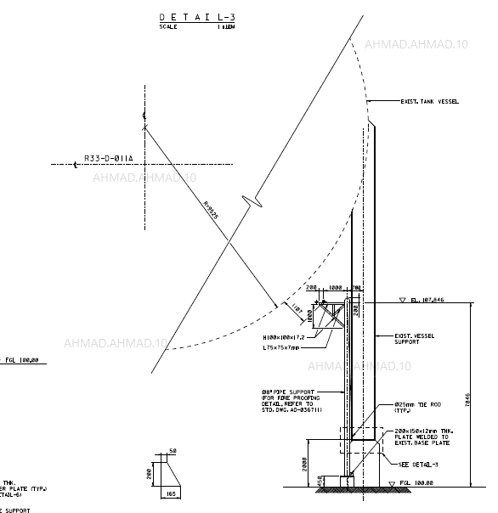
Volume of sphere in BBL

PI DataLint Input
PI Tag | Source | Units | Current Value
UGP:41FY162.PV | LRU#1 NGL Production | #NAME? | #NAME?
UGP:42FY162.PV | LRU#2 NGL Production | #NAME? | 82.93
UGP:43FY162.PV | LRU#3 NGL Production | #NAME? | 64.83
UGP:44FY162.PV | LRU#4 NGL Production | #NAME? | 12.08
UGP:21FI125.PV | Inlet NGL | #NAME? | 0.00
UGP:71FQY205B.PV | RMU | #NAME? | 241.70
UGP:71LT155.PV | D-011 A Level | #NAME? | 31.68
UGP:71LT160.PV | D-011 B Level | #NAME? | 31.07

